Sheet1
 |  | Document No. | Issue No. | Issue Date |  | Review and Replace Date |  | Authorised By
 |  | GFF104MC | 2 | 10.06.2019 |  | 08.09.2021
 |  | Document Title | 4 VEGETABLE SAMOSA 160G
 |  |  | Page 1 of 1 |  | Clause |  | 6.1 | Magda Shah
Document amendments reason for change |  | Shelf life updated |  |  | Previous Issue Date |  | 10.06.2019 | Uncontrolled copy unless signed original

CVSA1C1-1R6TSP | SPAR |  | 4 VEGETABLE SAMOSA 160G | CHILLED

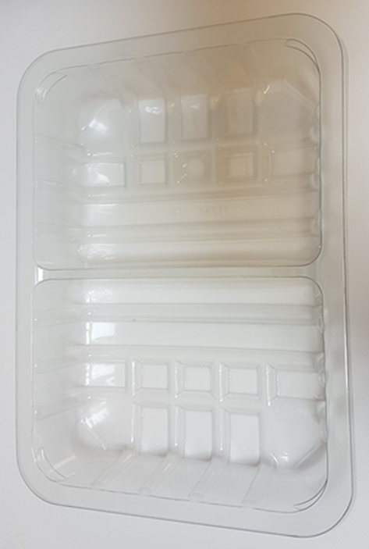 |  |  |  |  | 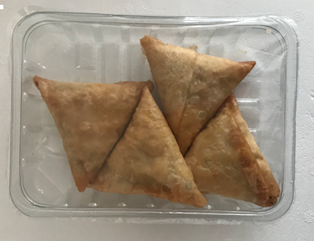

Tray: SK4-Split Clear (PKESSOO1-06) |  |  |  |  | 4 x Vegetable Samosa (GFF003R) 40g
Film: ME410AFV2, 410mm Wide x 1 (PKPRO001-12) |  |  |  |  | Total Weight : 160g
ALLERGY ALERT: WHEAT

